Project
Project Information
Team name | Net 1 Bier
Team members | Randolph Bock
 | FJ Fourie
 | Anton Durandt

System Breakdown
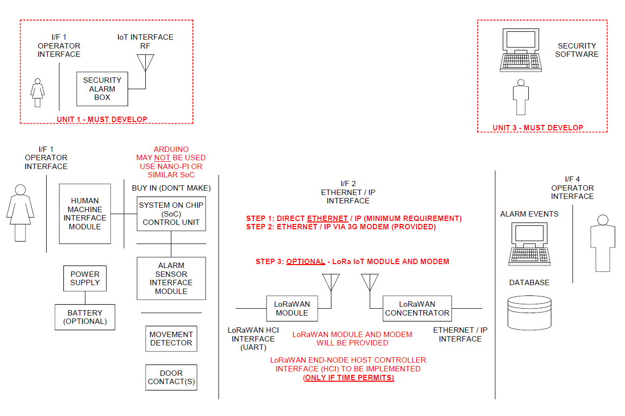

Work Breakdown and Allocation

Design circuit for security inputs(Including Door switches and PIR's) | Randolph Bock
Design circuit for output siren( to be run on 12v) | Randolph Bock
Design and implement a user interface | Randolph Bock
Design and code the SoC to handle all inputs and outputs | Randolph Bock
Order parts | Randolph Bock
Trade-off decisions | Randolph Bock
Assemble the final unit 1 as a whole | Randolph Bock
Design and implement a Direct ethernet / IP connection between SoC and Pc | Anton Durandt
Design and implement an ethernet / IP connection via 3g between SoC and Pc | Anton Durandt
Designing and implementing the database to the cloud | Anton Durandt
Designing and implementing the database communications | Anton Durandt
Design database for information of users and alarm systems | FJ Fourie
Design backend operator interface | FJ Fourie
Write program for backend of system to manage alarms going off and instruct operators on what to do | FJ Fourie
Integrate backend program with database | FJ Fourie
Ensure operator interface works correctly with signals received from web | FJ Fourie
Assemble the final complete project | FJ Fourie

Project Schedule

Progress Tracking
 |  | Project Status
 | % Complete | Green | Amber | Red | Description
Week 1 | 100%
Week 2 | 100%
Week 3 | 100%
Week 4 | 100%
Week 5 | 100%
Week 6 | 100%
Week 7 | 100%
Week 8 | 100%
Week 9 | 100%
Week 10 | 100%
Week 11 | 100%
Week 12 | 100%
Week 13 | 100%
Week 14
Etc

Show project's overall progress on a weekly basis. In the "Description" column, indicate why work has been delayed, if at all.

Randolph Bock
Member Information
Member name | Randolph Bock
Expertise | Software / Hardware / Documentation etc - can be more than one - indicate which expertise suit you best.

Unit Breakdown
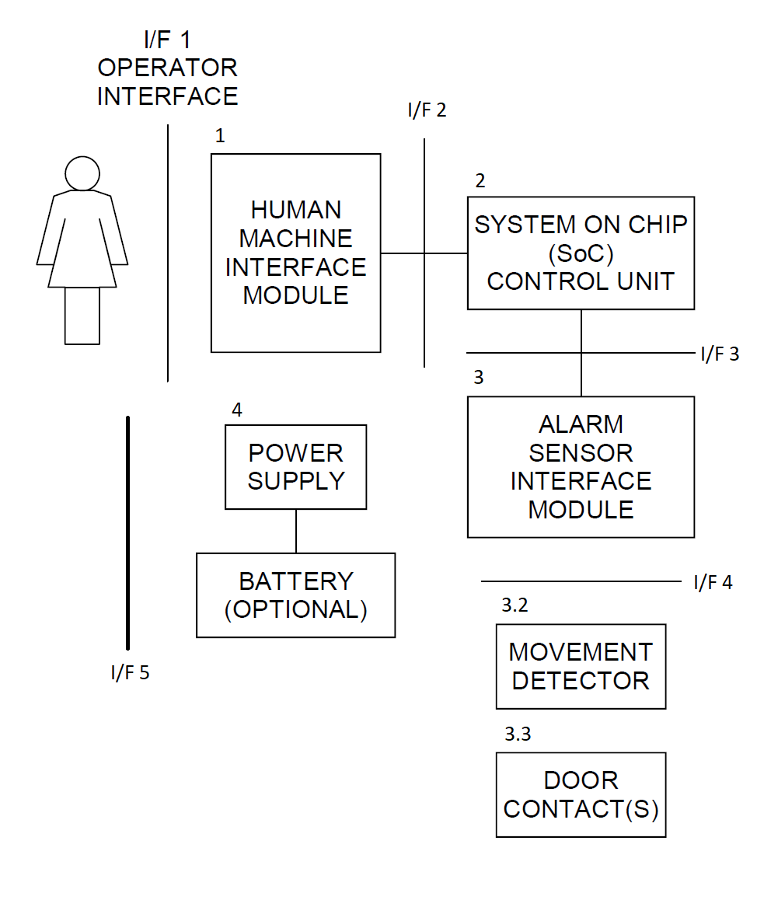

Member Work Breakdown
Design circuit for security inputs(Including Door switches and PIR's)
Design circuit for output siren( to be run on 12v)
Design and implement a user interface
Design and code the SoC to handle all inputs and outputs
Order parts
Trade-off decisions
Assemble the final unit as a whole
Member Schedule

Progress Tracking
 |  | Project Status
 | % Complete | Green | Amber | Red | Description
Week 1 | 100%
Week 2 | 100%
Week 3 | 100%
Week 4 | 100%
Week 5 | 100%
Week 6 | 100%
Week 7 | 100%
Week 8 | 100%
Week 9 | 100%
Week 10 | 100%
Week 11 | 100%
Week 12 | 100%
Week 13 | 100%
Week 14
Etc

FJ Fourie
Member Information
Member name | FJ Fourie
Expertise | Software / Hardware / Documentation etc - can be more than one - indicate which expertise suit you best.

Unit Breakdown

Insert each member's own high-level diagram of the sub-system / module architecture and include software as part of the system. Clearly label all functional units (hardware and software) and all interfaces.
Note: High-level only for project planning purposes - detail breakdown will be part of the Specification Document of each member.
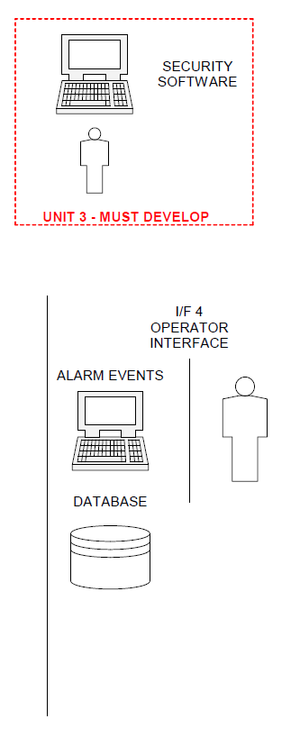

Member Work Breakdown
Design database for information of users and alarm systems
Design backend operator interface
Write program for backend of system to manage alarms going off and instruct operators on what to do
Integrate backend program with database
Ensure operator interface works correctly with signals received from web
Assemble the final complete project

Member Schedule

Progress Tracking
 |  | Project Status
 | % Complete | Green | Amber | Red | Description
Week 1 | 100%
Week 2 | 100%
Week 3 | 100%
Week 4 | 100%
Week 5 | 100%
Week 6 | 100%
Week 7 | 100%
Week 8 | 100%
Week 9 | 100%
Week 10 | 100%
Week 11 | 100%
Week 12 | 100%
Week 13 | 100%
Week 14
Etc

Anton Durandt
Member Information
Member name | Anton Durandt
Expertise | Software / Hardware / Documentation etc - can be more than one - indicate which expertise suit you best.

Unit Breakdown

Insert each member's own high-level diagram of the sub-system / module architecture and include software as part of the system. Clearly label all functional units (hardware and software) and all interfaces.
Note: High-level only for project planning purposes - detail breakdown will be part of the Specification Document of each member.
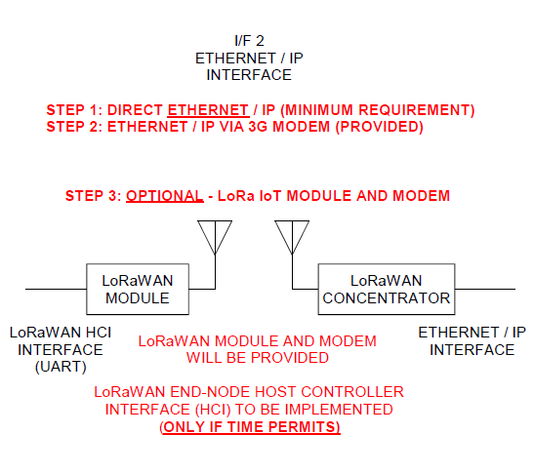

Member Work Breakdown
Design and implement a Direct ethernet / ip connection between SoC and Pc
Design and implement an ethernet / ip connection via 3g between SoC and Pc
Designing and implementing the backend communications to the SoC

Member Schedule

Progress Tracking
 |  | Project Status
 | % Complete | Green | Amber | Red | Description
Week 1 | 100%
Week 2 | 100%
Week 3 | 100%
Week 4 | 100%
Week 5 | 100%
Week 6 | 0%
Week 7 | 0%
Week 8 | 0%
Week 9 | 0%
Week 10 | 0%
Week 11 | 0%
Week 12 | 0%
Week 13 | 0%
Week 14
Etc

